Sheet1
From | To | Value
Alice | Bob | 10
Alice | Bob | 10
Alice | Clara | 9
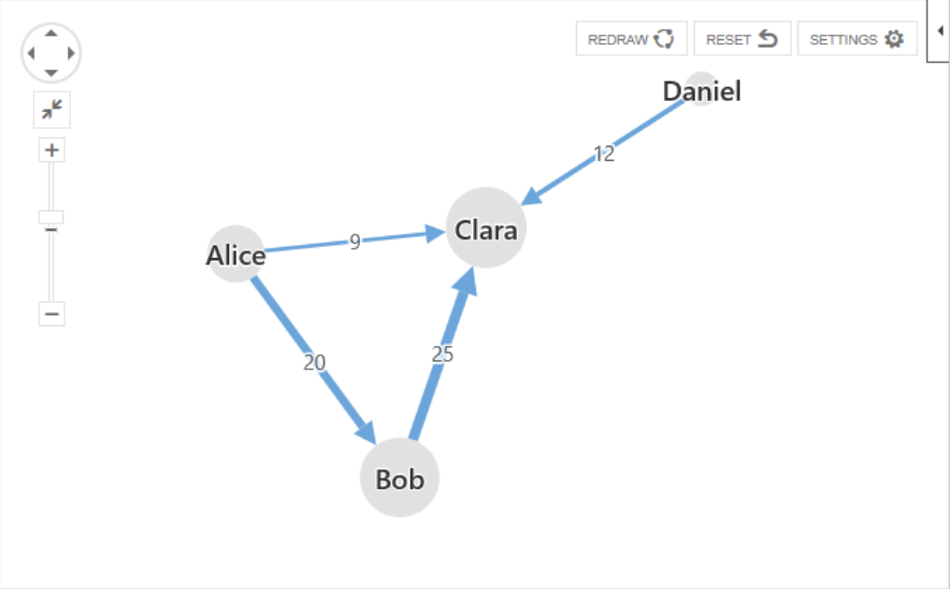
Bob | Clara | 25
Daniel | Clara | 12

